DASHBOARD
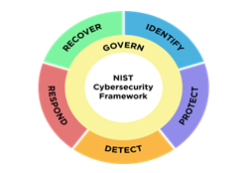

NIST CSF 2.0 Cybersecurity Framework Overall Maturity Scorecard by Functional Area
GOVERNANCE | 89%
IDENTIFY | 86%
PROTECT | 79%
DETECT | 89%
RESPOND | 91%
RECOVER | 81%
The current bar for 2024 will be 80%

Compliance Maturity Score by SubCategory
 | Compliance Score
DE.AE | 3.5
DE.CM | 3.6
GV.OC | 3.6
GV.OV | 3.0
GV.PO | 3.5
GV.RM | 4.0
GV.RR | 3.8
GV.SC | 3.4
ID.AM | 3.7
ID.IM | 3.3
ID.RA | 3.4
PR.AA | 3.5
PR.AT | 3.0
PR.DS | 2.4
PR.IR | 3.5
PR.PS | 3.3
RC.RP | 3.0
RS.AN | 4.0
RS.CO | 3.0
RC.CO | 3.5
RS.MA | 3.6
RS.MI | 4.0
NIST CSF 2.0 Risk Assessment Progress Status
 | Percentage
In Progress | 0%
Closed | 100%
On Hold | 0%
Past Due | 0%
Investigation | 0%
Not Started | 0%
Select Answer | 0%

Compliance Maturity by Subcategory Score
 | Compliance Score
DE.AE | 3.5
DE.CM | 3.6
GV.OC | 3.6
GV.OV | 3.0
GV.PO | 3.5
GV.RM | 4.0
GV.RR | 3.8
GV.SC | 3.4
ID.AM | 3.7
ID.IM | 3.3
ID.RA | 3.4
PR.AA | 3.5
PR.AT | 3.0
PR.DS | 2.4
PR.IR | 3.5
PR.PS | 3.3
RC.RP | 3.0
RS.AN | 4.0
RS.CO | 3.0
RC.CO | 3.5
RS.MA | 3.6
RS.MI | 4.0
Findings Status
 | Percentage
Yes | 33%
No | 68%
Under Investigation | 0%
N/A | 0%
Select Answer | 0%
NIST CSF 2.0 Cybersecurity Framework Overall Maturity Scorecard by Functional Area
 | Score
Govern | 3.5
Identify | 3.5
Detect | 3.6
Protect | 3.1
Respond | 3.7
Recover | 3.3

SCORING METRICS
CSF Assessment Metrics Dashboard |  |  |  |  |  |  |  |  |  |  |  |  | Targeting 70% Maturity
 |  |  |  |  |  | Spider Diagram per Domain |  |  |  | Technology Auditing |  |  | Spider Diagram per Subcategory
GOVERNANCE | Categories | Maturity | Domain | Maturity |  | Category | Maturity | Overall Maturity % |  | Technology Audits in Progress | Status | Admin | NIST CSF SubCategory | Maturity |  |  |  | Type of Webapp Interfaces | # of Interfaces
GV.OC | Organizational Context | 88% | GV.OC | 88% |  | GOVERNANCE | 89% | 86% |  | Sailpoint | In Progress |  | GV.OC | 88% |  |  |  | # of Internal WebApps | 19
GV.OV | Oversight | 100% | GV.OV | 100% |  | IDENTIFY | 86% |  |  | Cyberark | In Progress |  | GV.OV | 100% |  |  |  | External, but does not need testing | 2
GV.PO | Policy | 88% | GV.PO | 88% |  | PROTECT | 79% |  |  | IdentityNow | In Progress |  | GV.PO | 88% |  |  |  | Is "turned off", needs deletion | 1
GV.RM | Risk Management Strategy | 75% | GV.RM | 75% |  | DETECT | 89% |  |  | Microsoft MFA Solution | In Progress |  | GV.RM | 75% |  |  |  | Needs testing | 8
GV.RR | Roles, Responsibilities, and Authorities | 100% | GV.RR | 100% |  | RESPOND | 91% |  |  | Zscaler | In Progress |  | GV.RR | 100% |  |  |  | Should be Shutoff | 33
GV.SC | Cybersecurity Third Party Risk Management | 85% | GV.SC | 85% |  | RECOVER | 81% |  |  | SentinelOne | In Progress |  | GV.SC | 85% |  |  |  | Unknown | 1
Total |  | 89% |  | 89% |  |  |  |  |  | Azure DEV OPS | In Progress |  | ID.AM | 93%
 |  |  |  |  |  | Status | Number | Percentage |  | Market Prominence | In Progress |  | ID.RA | 85% |  |  |  | Note: I'm still investigating these apps
IDENTFY | Categories | Maturity | Domain | Maturity |  | In Progress | 0 | 0% |  | Microsoft Intune | In Progress |  | ID.IM | 81%
ID.AM | Asset Management | 93% | ID.AM | 93% |  | Closed | 107 | 100% |  | BitLocker | In Progress |  | PR.AA | 88%
ID.RA | Risk Assessment | 85% | ID.RA | 85% |  | On Hold | 0 | 0% |  | Microsoft Defender | In Progress |  | PR.AT | 75%
ID.IM | Improvement | 81% | ID.IM | 81% |  | Past Due | 0 | 0% |  | Exabeam | In Progress |  | PR.DS | 60%
Total |  | 86% | 18 | 86% |  | Investigation | 0 | 0% |  | Ivanti | In Progress |  | PR.PS | 83%
 |  |  |  |  |  | Not Started | 0 | 0% |  | Rapid 7 Insight VM | In Progress |  | PR.IR | 88%
PROTECT | Categories | Maturity | Domain | Maturity |  | Select Answer | 0 | 0% |  | Veritas NetBackup | In Progress |  | DE.CM | 90%
PR.AA | Identity Management, Authentication, and Access Control | 88% | PR.AA | 88% |  |  |  |  |  | Vmware's VCDR | In Progress |  | DE.AE | 88%
PR.AT | Awareness and Training | 75% | PR.AT | 75% |  |  |  |  |  | Rapid 7 Vuln Scanning | In Progress |  | RS.MA | 90%
PR.DS | Data Security | 60% | PR.DS | 60% |  | Findings | Number | Percentage |  | Symantec Messaging Gateway | In Progress |  | RS.AN | 100%
PR.PS | Platform Security | 83% | PR.PS | 83% |  | Yes | 35 | 33% |  | Zixcorp Security Messaging Cloud | In Progress |  | RS.CO | 75%
PR.IR | Technology Infrastructure Resilience | 88% | PR.IR | 88% |  | No | 72 | 68% |  | Cisco Firewalls | In Progress |  | RS.MI | 100%
Total |  | 79% |  | 79% |  | Under Investigation | 0 | 0% |  | Citrix VPN | In Progress |  | RC.RP | 75%
 |  |  |  |  |  | N/A | 0 | 0% |  | Quest K1000 | In Progress |  | RS.CO | 88%
DETECT | Categories | Maturity | Domain | Maturity |  | Select Answer | 0 | 0% |  | KnowBe4 | In Progress
DE.CM | Continuous Monitoring | 90% | DE.CM | 90% |  |  |  |  |  | Amysis | In Progress
DE.AE | Adverse Event Analysis | 88% | DE.AE | 88% |  | Note: For risks identified, they still need verification |  |  |  | Not Started | 0
Total |  | 89% |  | 89% |  |  |  |  |  | In Progress | 24
 |  |  |  |  |  | Findings | Number |  |  | On Hold | 0 |  |  |  |  | Total Possible Score | Test Scores
RESPOND | Categories | Maturity | Domain | Maturity |  | Critical | 0 |  |  | Past Due | 0 |  |  |  | Q1 | 4 | 4
RS.MA | Incident Management | 90% | RS.MA | 90% |  | High | 3 |  |  | Closed | 0 |  |  |  | Q2 | 4 | 4
RS.AN | Incident Analysis | 100% | RS.AN | 100% |  | Medium | 13 |  |  |  |  |  |  |  | Q3 | 4 | 3
RS.CO | Incident Response Reporting and Communication | 75% | RS.CO | 75% |  | Low | 6 |  |  |  |  |  |  |  | Q4 | 4 | 3
RS.MI | Incident Mitigation | 100% | RS.MI | 100% |  |  | 22 |  |  |  |  |  |  |  | Q5 | 4 | 4
Total |  | 91% |  | 91% |  |  |  |  |  |  |  |  |  |  |  | 4 | 3.6
 |  |  |  |  |  |  |  |  |  | Technology Audit Functions
RECOVER | Categories | Maturity | Domain | Maturity |  |  |  |  |  | Audit & Logging Capabilities
RC.RP | Incident Recovery Plan Execution | 75% | RC.RP | 75% |  |  |  |  |  | Security of Remote Access and Support
RC.CO | Communications | 88% | RC.CO | 88% |  |  |  |  |  | Protection from Malicious Code
Total |  | 81% |  | 81% |  |  |  |  |  | Configuraiton Management and Change Control
 |  |  |  |  |  |  |  |  |  | Data Export and Transfer Capabilities
 |  |  |  |  |  |  |  |  |  | Other Capabilities

 |  |  |  | NIST CSF 2.0 SubCategories | Compliance Score | Sum Answers / SubCategory | # of SubCategory Instances | Total Max Score for SubCategory | % Compliant with SubCategory
 |  |  |  | DE.AE | 3.5 | 21 | 6 | 24 | 88%
 |  |  |  | DE.CM | 3.6 | 18 | 5 | 20 | 90%
 |  |  |  | GV.OC | 3.6 | 18 | 5 | 20 | 90%
 |  |  |  | GV.OV | 3.0 | 9 | 3 | 12 | 75%
 |  |  |  | GV.PO | 3.5 | 7 | 2 | 8 | 88%
 |  |  |  | GV.RM | 4.0 | 28 | 7 | 28 | 100%
 |  |  |  | GV.RR | 3.8 | 15 | 4 | 16 | 94%
 |  |  |  | GV.SC | 3.4 | 34 | 10 | 40 | 85%
 |  |  |  | ID.AM | 3.7 | 26 | 7 | 28 | 93%
 |  |  |  | ID.IM | 3.3 | 13 | 4 | 16 | 81%
 |  |  |  | ID.RA | 3.4 | 34 | 10 | 40 | 85%
 |  |  |  | PR.AA | 3.5 | 21 | 6 | 24 | 88%
 |  |  |  | PR.AT | 3.0 | 6 | 2 | 8 | 75%
 |  |  |  | PR.DS | 2.4 | 12 | 5 | 20 | 60%
 |  |  |  | PR.IR | 3.5 | 14 | 4 | 16 | 88%
 |  |  |  | PR.PS | 3.3 | 20 | 6 | 24 | 83%
 |  |  |  | RC.RP | 3.0 | 18 | 6 | 24 | 75%
 |  |  |  | RS.AN | 4.0 | 16 | 4 | 16 | 100%
 |  |  |  | RS.CO | 3.0 | 6 | 2 | 8 | 75%
 |  |  |  | RC.CO | 3.5 | 7 | 2 | 8 | 88%
 |  |  |  | RS.MA | 3.6 | 18 | 5 | 20 | 90%
 |  |  |  | RS.MI | 4.0 | 8 | 2 | 8 | 100%

Maturity
 |  |  |  | Function | Score
 |  |  |  | Govern | 3.5
 |  |  |  | Identify | 3.5
 |  |  |  | Detect | 3.6
 |  |  |  | Protect | 3.1
 |  |  |  | Respond | 3.7
 |  |  |  | Recover | 3.3
 |  |  |  | Overall Maturity Score | 3.4

Metrics Collection and Dashboar
 | # of high risk vulnerabilities | # of high risk vulnerabilities mitigated |  |  |  | Mock Data
Vulnerability (Patch Mgt) Measure | 5 | 2

 | # training Complated | # training not completed
Security Training Measure | 451 | 402

 | # of high risk alerts | # of risk alerts investigated | # of risk alerts closed
Audit Logging and Review Measure | 34 | 25 | 18 |  | x # more logs to enter

 | # of approved security configuration changes | # of total security configuration changes | # of unauthorized security configuration changes
Security Configuration Changes | 4 | 3 | 1

 | # of high risks found | # of high risks mitigated | # of medium risks found | # of medium risks mitigated
Risk Assessment Findings | 2 | 3 | 10 | 9

Security Incident
Time to detect
Time to mitigate

Mean Time to Acknolwege
Mean Time to Resolve

Ransomware Kill Chain
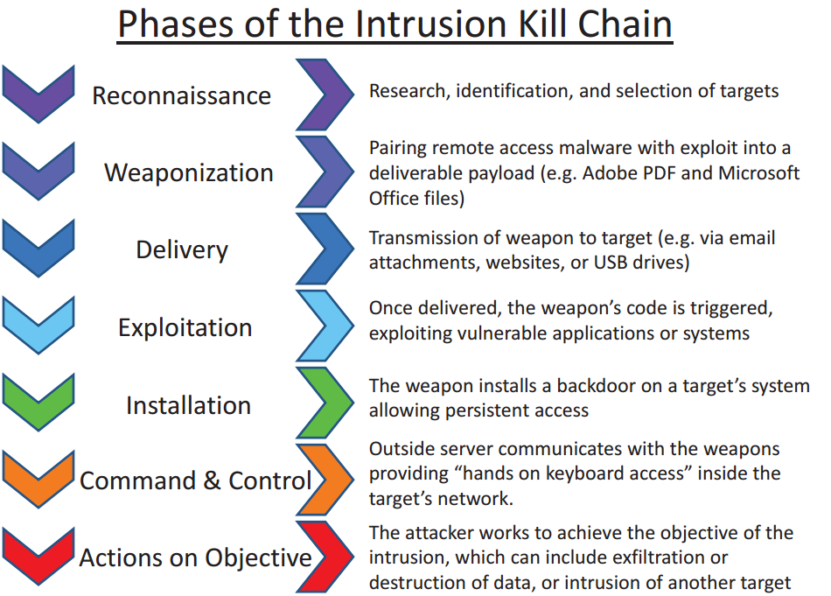
Phase | Detect Objective: Identify malicious activity or potential threats as early as possible. Strategies: Implement advanced monitoring tools and intrusion detection systems. Regularly audit and analyze system logs for unusual behavior | Deny Objective: Prevent adversaries from accessing and utilizing resources or information. Strategies: Enforce strict access controls and authentication mechanisms. Utilize firewalls, anti-malware, and content filtering technologies to block access to harmful sites and download. | Disrupt Objective: Interrupt and impede adversary activities or operations. Strategies: Deploy deception technologies such as honeypots to mislead attackers into engaging with controlled environments.Interrupt communication channels used by attackers, such as command and control servers. | Degrade Objective: Reduce the effectiveness of adversary tools, techniques, and procedures. Strategies: Implement rate limiting and other network controls to slow down the attacker's traffic. Continuously update defensive measures to counter new and evolving attack techniques | Deceive Objective: Mislead attackers about the nature or layout of the target’s cyber environment. Strategies: Use false flags, such as fake data repositories or system responses, to mislead attackers about system success. Implement obfuscation techniques to conceal actual system configurations and responses | Destroy Objective: Eliminate the threat posed by an adversary, often by removing or disabling their assets. Strategies: Use aggressive response measures to disable or remove attacker tools and resources. Coordinate with law enforcement and other authorities to take down attacker infrastructure
Reconnaissance: Research, identification, and selection of targets, often represented as crawling Internet websites such as conference proceedings and mailing lists for email addresses, social relationships, or information on specific technologies Defensive strategies: Monitor and analyze network traffic for unusual activities. Educate employees on social engineering threats. Limit the amount of publically available information. | Identify potential reconnaissance efforts such as scanning activities or social engineering attempts ID.AM-1: Physical devices and systems within the organization are inventoried ID.AM-2: Software platforms and applications within the organization are inventoried ID.AM-4: External information systems are catalogued ID.AM-5: Resources (e.g., hardware, devices, data, time, personnel, and software) are prioritized based on their classification, criticality, and business value ID.AM-6: Cybersecurity roles and responsibilities for the entire workforce and third-party stakeholders (e.g., suppliers, customers, partners) are established | ID.AM-3: Organizational communication and data flows are mapped |  |  | Provide misleading information to attackers, such as fake system details or decoy network assets
Weaponization: Coupling a remote access trojan with an exploit into a deliverable payload, typically using an automated tool (weaponizer). Increasingly, client application data files such as Adobe PDR or Microsoft Office documents serve as the weaponized deliverable. Defensive strategies: Keep all systems updaeted to minimize vulnearbilities. Implement strict email and web filtering to block malicious content. |  | Implement security measures that prevent downloading or accessing tools and resources attackers use to create malware
Delivery: Transmission of the weapon to the targeted environment. The three most prevalent delivery vectors for weaponized payloads by APT actors, are email attachments, websites, and USB removable media. Defensive strategies: Implement anti-phising training programs. Use advanced malware detection tools. |  |  | Interrupt delivery channels (e.g., email, websites) by blocking access to known malicious IPs, URLs, and payloads | Reduce the effectiveness of attack vectors by implementing strong email filters and web security gateways
Exploitation: After the weapon is delivered to victim host, exploitation triggers intruders’ code. Most often, exploitation targets an application or operating system vulnerability, but it could also more simply exploit the users themselves or leverage an operating system feature that auto-executes code. Defensive Strategies: Employ a robust patch management system to regularly update software. Harden security configuraitons to minimize exploitable vulnerabilities. | Use intrusion detection systems to identify and alert on exploitation attempts | Harden systems against exploitation by ensuring that all software is up-to-date and vulnerabilities are patched
Installation: Installation of a remote access trojan or backdoor on the victim system allows the adversary to maintain persistence inside the environment. Defensive Strategies: Use application whitelisting to prevent unauthorized applications from executing. Deploy endpoint detection and response (EDR) tools to detect and respond to suspicious activities. |  |  |  |  | Mislead attackers by making them believe their malware has successfully installed, while actually directing it to a controlled environment (honeypot).
Command & Control: Typically, compromised hosts must beacon outbound to an Internet controller server to establish a C2 channel. APT malware especially requires manual interaction rather than conduct activity automatically. Once the C2 channel establishes, intruders have “hands on the keyboard” access inside the target environment. Defensive Strategies: Monitor outbound network traffic for anomalies. Block known malicious IP addresses and domains. |  | Block outgoing connections to known malicious domains and Ips | Break communication with C2 servers to isolate the malware and prevent it from receiving further instructions
Actions on Objectives: Only now, after progressing through the first six phases, can intruders take actions to achieve their original objectives. Typically, this objective is data exfiltration which involves collecting, encrypting and extracting information from the victim environment; violations of data integrity or availability are potential objectives as well. Alternatively, the intruders may only desire access to the initial victim box for use as a hop point to compromise additional systems and move laterally inside the network. Defensive Strategies: Implement strict data access controls. Regularly back up data and ensure the integrity of backup systems. Deploy deception technologies and honeypots to mislead and detect attackers. | Quickly identify data exfiltration or manipulation attempts through data loss prevention (DLP) technologies |  |  |  |  | Actively remove access capabilities and eliminate attacker footholds from compromised systems

